Table 2
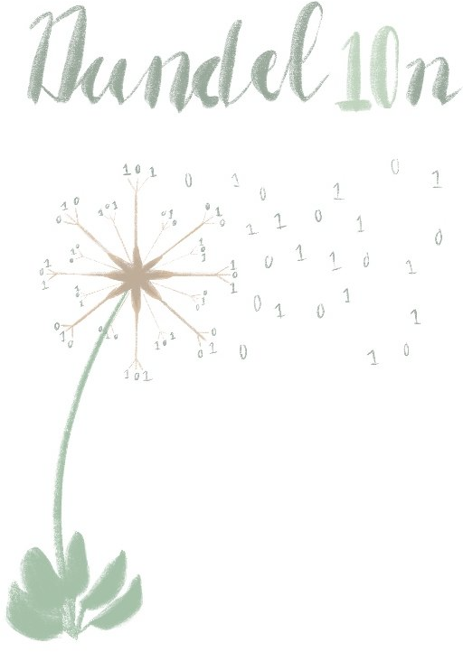 Dandel10n Delphi Grade 10, 11 & 12 By Lilané le Grange

Table 6

Link to BrainbIT IT Theory order form: https://forms.gle/hr8ZQF3hKbjs7E9F7 Link to Dandel10n Delphi order form: https://forms.gle/5p5J2SVceDDGeXqU7

